Reference
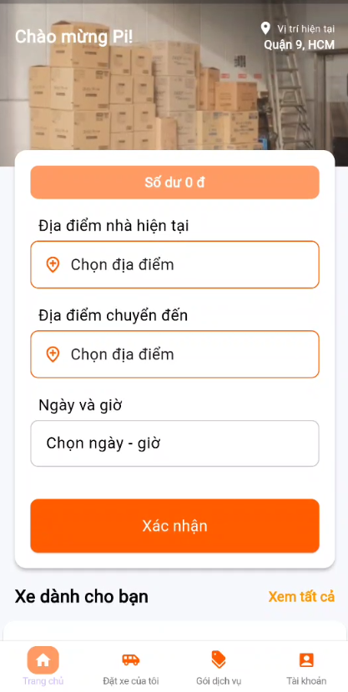
No | Screen ID | Image | Control Name | Control Type | Default Status | Default Value | Note
1 | MMA-010-Homepage

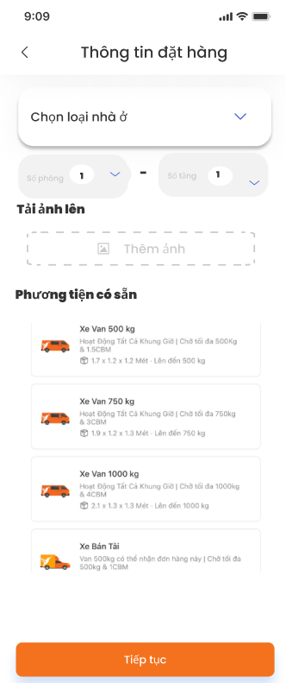
2 | MMA-011-Register Booking

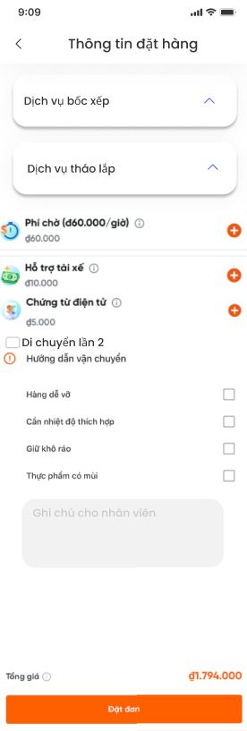
3 | MMA-012-Register Booking_1

